Sheet1
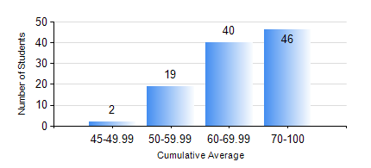
 |  |  | KWAME NKRUMAH UNIVERSITY OF SCIENCE AND TECHNOLOGY, KUMASI Department of Electrical/Electronic Engineering

 |  |  | BSC. ELECTRICAL/ELECTRONIC ENG.

 |  |  | COMPREHENSIVE RECORD OF EXAMINATION RESULTS

 |  |  | RESULTS OF YEAR 4 FIRST SEMESTER, 2018/2019 ACADEMIC YEAR

 | Sn | Course Code |  | Course Name | Credit Hours | Min. Mark | Max. Mark | Avg. Mark | Std. Dev. | No. Passed | No. Trailed | No. (Df) | No. (I) | No. (I*) | No. Tagged(I,I*,Df) | Total
 | 0. |  |  |  |  |  |  | 0 | 0 | 0 | 0 | 0 | 0 | 0 | 0 | 2
 | 1. | COE 475 |  | COMPUTER NETWORKING | 4 | 48 | 97 | 82 | 9.26 | 105 | 0 | 0 | 0 | 0 | 0 | 105
 | 2. | EE 463 |  | SPECIAL ELECTRICAL MACHINES | 3 | 46 | 88 | 66 | 11.28 | 96 | 0 | 0 | 0 | 0 | 0 | 96
 | 3. | EE 467 |  | POWER SYSTEMS OPERATION AND CONTROL | 3 | 43 | 82 | 65 | 9.56 | 105 | 0 | 0 | 0 | 0 | 0 | 105
 | 4. | EE 489 |  | INDUSTRIAL TRAINING | 1 | 72 | 91 | 82 | 3.68 | 105 | 0 | 0 | 0 | 0 | 0 | 105
 | 5. | EE 497 |  | PROJECT I | 3 | 55 | 81 | 71 | 5.87 | 105 | 0 | 0 | 0 | 0 | 0 | 105
 | 6. | ME 491 |  | ENGINEERING ECONOMICS AND MANAGEMENT | 3 | 43 | 83 | 66 | 8.38 | 105 | 0 | 0 | 0 | 0 | 0 | 105
 | 7. | TE 481 |  | WIRELESS DATA COMMUNICATION NETWORK | 3 | 40 | 77 | 56 | 11.36 | 14 | 0 | 0 | 0 | 0 | 0 | 14

